Readme
README: This dashboard tool is for use in conjunction with the Biodiversity Indicators for Site-based Impacts methodology V.3.2 for use in the calculation of State-Pressure-Response scores for sites in Stage 2 of the methodology.

State: State is calculated as either population or area remaining depending on whether the priority biodiversity feature is a species or habitat. Population remaining = Current population X 100 Baseline population Habitat Remaining = Current area X 100% Baseline area An assessment of habitat quality is required and the score needs to be adjusted to reflect any degradation in habitat quality. If an area of habitat has been degraded then the total area should be adjusted by an estimate of degradation. E.g. if 100ha have been degraded by 10% then the area used for calculating remaining habitat should be reduced by 10% (i.e 90ha) Once this calculation has been carried out, input the population or habitat remaining into the '% remaining cell' State is scored as follows: >90% = Good 70-90% = Moderate 0-70% = Poor | 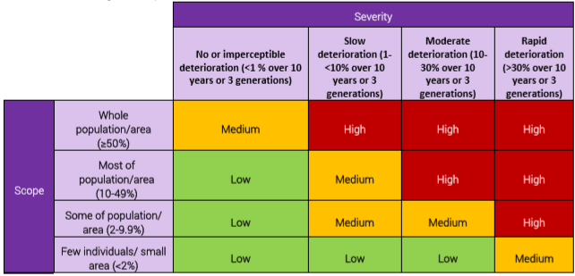 Pressure: Pressure is assessed based on its timing, scope and severity. The following categories are provided for quantifying these aspects. Timing: Past Happening now Predicted In Future Scope: Few individuals/ small area (< 2%) Some of population/ area (2-9.9%) Much of population/area (9.9-49%) Whole population/ area (>50%) Severity: No or imperceptible deterioration (< 1 % over 10 years) Slow deterioration (1-10% over 10 years or 3 generations) Moderate deterioration (10-30% over 10 years or 3 generations) Rapid deterioration (>30% over 10 years or 3 generations) Each can be selected from the drop down menus. Timing influences the visual appearance of the dashboard, indicating whether pressure can still be reduced directly. The score is generated by combining the scope and severity in the matrix below: | Response: Response is calculated based on the whether mitigation activities have been planned and implemented. Response is assessed based on the following aspects. Planning: No Plan Basic Plan Intermediate Plan Comprehensive Plan Implementation: Significantly Behind Schedule Behind Schedule On Schedule Complete Each can be selected from the drop down menu. The score is generated by combining the planning and implmentation in the matrix below:

